Basics
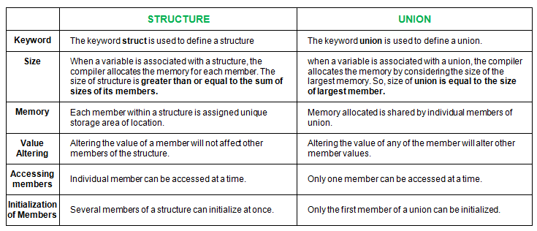
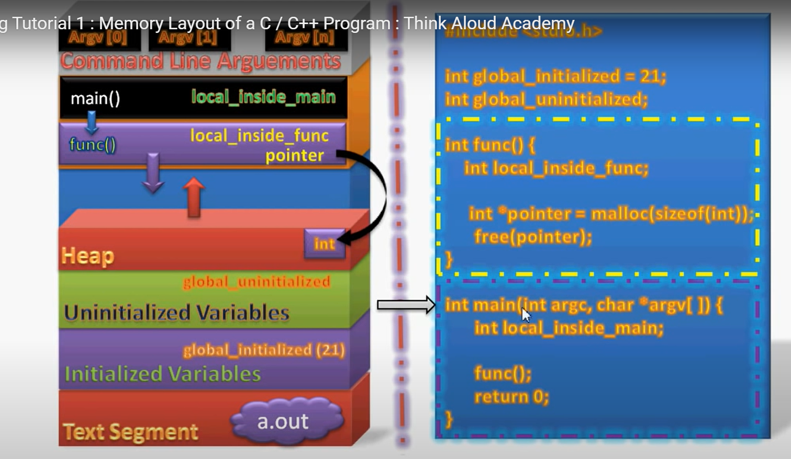
Slno | Topics | Explanation
1 | pointers and references | basics,void pointers,this pointers | Pointers: A pointer in C++ is a variable that holds the memory address of another variable. int a = 5; int *p = &a; References: A reference is an alias for an already existing variable. Once a reference is initialized to a variable, it cannot be changed to refer to another variable. Hence, a reference is similar to a const pointer. int a = 5; int &ref = a;
2 | scope resolution operator | ::
3 | friend class | never used so far. But will check
4 | Memory layout | https://www.youtube.com/watch?v=_8-ht2AKyH4
5 | CLASS
6 | OBJECTS
7 | ENCAPSULATION | binding members of the class in singke unit
8 | POLYMORPHISM | same function name different arguments
9 | INHERITANCE | allowing to use the same code/functionality of one class in another class object
10 | ABSTRACTION | hiding the implemtation details from outside
11 | structures,enums, | row no 45
12 | dot and arrow operator | object.member pointer->member std::string str("foo"); std::string * pstr = new std::string("foo"); str.size (); pstr->size (); | If you had a pointer pointing to the emp, you would have to use the arrow to do the same: Employee * pe = &emp; strcpy( pe->first_name, "zara" ); Therefore, the arrow is same as dereference a pointer and then use the dot. Employee * pe = &emp; strcpy( (*pe).first_name, "zara" );
13 | malloc,calloc | malloc() allocates memory block of given size (in bytes) and returns a pointer to the beginning of the block. malloc() doesn’t initialize the allocated memory. If we try to access the content of memory block(before initializing) then we’ll get segmentation fault error(or maybe garbage values). void* malloc(size_t size); calloc() allocates the memory and also initializes the allocated memory block to zero. If we try to access the content of these blocks then we’ll get 0. void* calloc(size_t num, size_t size); | We can achieve same functionality as calloc() by using malloc() followed by memset(), ptr = malloc(size); memset(ptr, 0, size);
14 | stackoverflow | loop is kept on allocating
15 | datastructures | Arrays ,stacks,queues,linkedlists,stacks,binary tree,heap,hashing
16 | Copy Constructor and Assignment Operator | Cell No B37
17 | INHERITANCE
18 | dangling pointer
19 | shallow and deep copy | https://www.youtube.com/watch?v=TjN_5rGMpfg | mostly wen its with pointers
20 | string tokens | Splits str[] according to given delimiters. and returns next token. It needs to be called in a loop to get all tokens. It returns NULL when there are no more tokens. char * strtok(char str[], const char *delims); | char str[]="hi i am elon musk!!how !r u doing!?"; char* ptr; ptr=strtok(str,"!"); while(ptr!=NULL){ cout<<" "<<ptr<<endl; ptr=strtok(NULL,"!"); }
21 | char pointer and string pointer
22 | struct ,union and enums
23 | arrays and pointer arithmetic
24 | memory allocation in c++
25 | this pointer
25 | smart pointer
25 | hashing function | A hash function is any function that can be used to map data of arbitrary size to fixed-size values. The values returned by a hash function are called hash values, hash codes, digests, or simply hashes. The values are usually used to index a fixed-size table called a hash table. Use of a hash function to index a hash table is called hashing or scatter storage addressing. Hash functions and their associated hash tables are used in data storage and retrieval applications to access data in a small and nearly constant time per retrieval, and require an amount of storage space only fractionally greater than the total space required for the data or records themselves. Hashing is a computationally and storage space-efficient form of data access that avoids the non-linear access time of ordered and unordered lists and structured trees, and the often exponential storage requirements of direct access of state spaces of large or variable-length keys. | https://www.sciencedirect.com/topics/computer-science/hashing-algorithm
25

 | Copy Constructor | Assignment Operator
 | The Copy constructor is basically an overloaded constructor | Assignment operator is basically an operator.
 | This initializes the new object with an already existing object | This assigns the value of one object to another object both of which are already exists.
 | Copy constructor is used when a new object is created with some existing object | This operator is used when we want to assign existing object to new object.
 | Both the objects uses separate memory locations. | One memory location is used but different reference variables are pointing to the same location.
 | If no copy constructor is defined in the class, the compiler provides one. | If the assignment operator is not overloaded then bitwise copy will be made

